FinalSR - Aug. Minimum DO
DO (mg/L) | Mean System Capacity (%) | SD | low.limit | up.limit | System Capacity based on inferred Aug. minimum 6hr DO effects on survival
0 | 0 | 0 | 0 | 100
0.6 | 0.02 | 30 | 0 | 100
0.7 | 0.15 | 40 | 0 | 100
0.8 | 1.5 | 45 | 0 | 100
0.9 | 4 | 50 | 0 | 100
1 | 10 | 60 | 0 | 100
1.1 | 18 | 75 | 0 | 100
1.2 | 28 | 65 | 0 | 100
1.3 | 40 | 55 | 0 | 100
1.37 | 50 | 49 | 0 | 100
1.4 | 59.9 | 50 | 0 | 100
1.5 | 81.5 | 70 | 0 | 100
1.6 | 92.6 | 80 | 0 | 100
1.7 | 96.9 | 60 | 0 | 100
1.8 | 98.5 | 50 | 0 | 100
1.9 | 99 | 40 | 0 | 100
2 | 99.2 | 30 | 0 | 100
3 | 99.5 | 0 | 0 | 100
4 | 100 | 0 | 0 | 100
5 | 100 | 0 | 0 | 100
6 | 100 | 0 | 0 | 100
7 | 100 | 0 | 0 | 100
14 | 100 | 0 | 0 | 100

0 | 0 | 0 | 0 | 100
0.51 | 0.1 | 14 | 0 | 100
0.76 | 2.1 | 34 | 0 | 100
1.01 | 15.9 | 34 | 0 | 100
1.26 | 50 | 34 | 0 | 100
1.51 | 84.1 | 34 | 0 | 100
1.76 | 97.7 | 34 | 0 | 100
2.1 | 99.8 | 14 | 0 | 100
8 | 100 | 0 | 0 | 100
10 | 100 | 0 | 0 | 100
12 | 100 | 0 | 0 | 100
14 | 100 | 0 | 0 | 100

EmpiricalData - Aug. Min DO
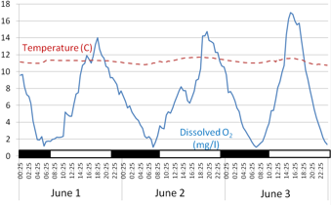
Dissolved Oxygen (mg/l)
Day
(time series)
6 Hr daily minimum
Landman et al. 2005 NZ J Aq FW Res
Citation/Data Source: | 1) G. N. Saari, Z. Wang, B. W. Brooks, Revisiting inland hypoxia: diverse exceedances of dissolved oxygen thresholds for freshwater aquatic life. Environ. Sci. Pollut. Res. 25, 3139–3150 (2018). 2) D.C. Miller, S.L. Poucher, and L. Coiro. 2002. Determination of lethal dissolved oxygen levels for selected marine and estuarine fishes, crustaceans, and a bivalve. Marine Biology 140: 287-296. DOI 10.1007/s002270100702 3) Michael J. Landman , Michael R. Van Den Heuvel & Nicholas Ling. (2005) Relative sensitivities of common freshwater fish and invertebrates to acute hypoxia, New Zealand Journal of Marine and Freshwater Research, 39:5, 1061-1067, DOI: 10.1080/00288330.2005.9517375
Species: | Average for 10 species of warm and coldwater Freshwater fish and 12 marine fish. |  |  |  |  |  |  |  |  |  |  |  |  |  | Landman et al. 2005 ->
Spatial Data Origin: | Global/general
Temporal Data Origin: | Based on laboratory studies
Units: | Dissolved Oxygen (DO, in mg/L equivalent to ppm); minimum in a 6 hour window in August.
Life Stage: | Studies based mostly on juveniles and subadults.
Vital Rate: | Survival at different DO levels
Conversion of SDs to a logistic response (see Jarvis et al. 2024 Fig. 6) https://www.sciencedirect.com/science/article/abs/pii/S0048969723060837
SE = SD / (N^{0.5})
Comments | Saari et al. (2018) estimated survival of fish (in terms of LC50, the concentration of DO that caused 50% mortality within 48 hours of exposure) based on a literature review of published studies. The estimate of LC50 used included 13 estimates for a total of nine cold and warmwater Freshwater species (see Table 1 below extracted from Saair et al. 2018; also reproduced below as an Excel Table - see cell O37 - using data extracted from the online Supplement to Saari et al. 2018 and original sources cited therein). LC50 for an additional marine fish species are also included from Miller et al. (2002). Note that Miller et al. (2002) also include estimates of LC10 and LC90 for most species, which provides the basis for fitting a logistic growth function to mean LC10, LC50, and LC90 data to generate a logistic curve. System (habitat) capacity is estimated based on the modelled change in LC50 with declining DO, i.e. increasing mortality at lower DO levels. Note that this mortality effect of decreasing DO is considered independent of the effect of decreasing DO on growth, which is captured in a seperate SR function. |  |  | 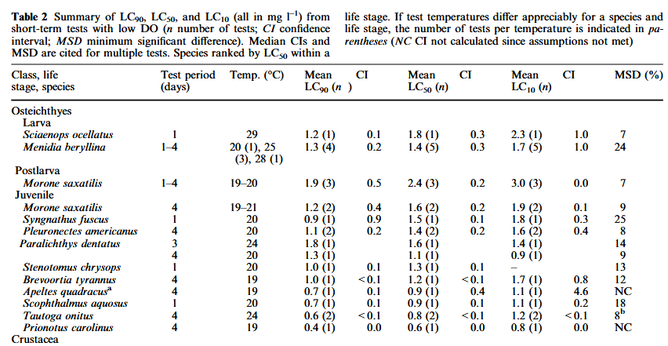
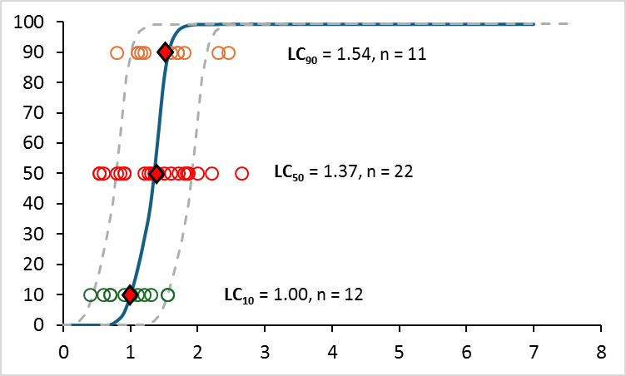
95% CIs = SD*1.96
Season: | Not specified, However, mortality effects are likely to be more pronounced at higher temperatures when respiratory oxygen demand of fish is higher, and ambient environmental DO is likely to be lower. This will probably correspond with summer low flows when temperatures are high and re-aeration is low. Oxygen mimima will also usually correspond with nocturnal lows in dissolved oxygen when oxygen production from photosynthesis ceases.
Survival (%)
FINAL CURVE DERIVATION: | The survival function is assumed to follow a typical logistic curve through the LC50 of 1.37 mg/l DO for the combined data set of 22 freshwater and marine species reported by Miller et al. (2002) and Saari et al. (2018). The SD around the mean LC50 value of 0.56 is based the n = 22 LC50 values in the combined data set. LC10 and LC90 values were only reported for marine species in Miller et al. (2002), but they are incluided with all species in the average relationship since there was no significant difference in LC50 between Marine (1.26 mg/l, n=12) and Freshwater fish species (1.50 mg/l, n=10; t20,0.05 = 1.0, p > 0.33). |  |  |  |  |  |  |  |  |  |  |  |  | 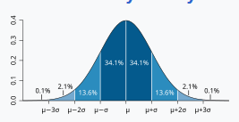 |  | 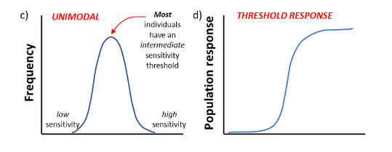 | 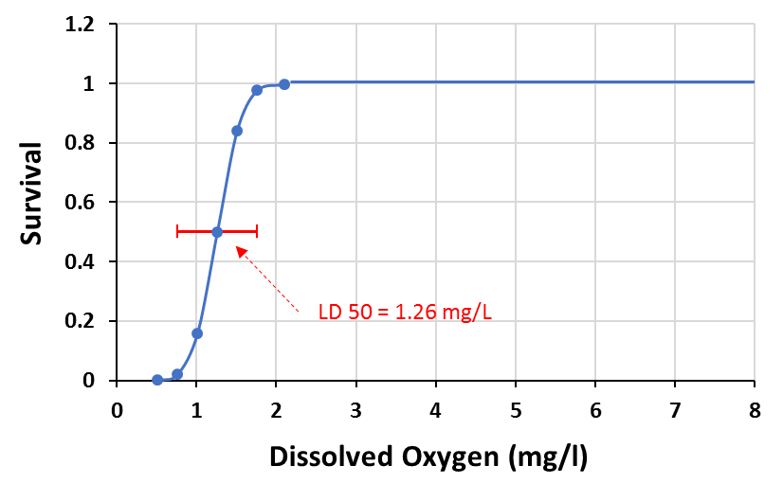
 |  |  | Schematic figure illustrating rationale. LC50s for fish summarized in Saari et al. (2018) are based on 48 hour exposures to
 | Saari et al. 2018 |  | stable dissolve oxygen levels. However, using average 48 hour environmental DO levels
LC₅₀ = 1.26 mg/l
N = 13 studies
N = 9 species
 |  |  | stressor levels in the environment to characterize minimum hypoxia that could cause mortality may be |  |  |  |  |  |  |  |  |  |  |  | Calculation of average 5% and 95% survival DO levels was done using the method above and SD = 0.56
 |  |  | be misleading because 48 hour mean DO levels will be much higher than minimum exposures. Similarly, |  |  |  |  |  |  |  |  |  |  |  | These 2 data points were used in conjunction with the average LC50, LC10, and LC90 values to generate the logistic growth curve in the avearge SR function to
 |  |  | minimum continuous 48 hour hypoxia as a stressor metric would also be ecologically inappropriate, since |  |  |  |  |  |  |  |  |  |  |  | the right, with the raw data superimposed.
 |  |  | shorter windows of severe hypoxia (e.g. at night, as indicated in the figure above by the black
 |  | Note that Saari et | horizontal bars) can result in severe stress or mortality. For example, Landman et al. (2005)
 |  | al (2018) used the | note that mortality from hypoxia in LC50 trials "…occcured very rapidly, and did not generally continue
 |  | geometric mean | after 48 hr.". Consequently, we used a 6 hr. moving window to characterize minimumDO exposure levels
 |  | value, but this is | relevant to potential mortality in a continuous multi-day trace of dissoved oxygen. The rationale for
Dissolved Oxygen (*mg/l)
 |  | not necessary | choosing a 6hr. window was that it is of long enough exposure duration to likely result in most mortality
 |  | given that the | as predicted by the 48 hr. LC50 while capturing relevant nocturnal hypoxia that is likley to occur during diurnal cycles.
 |  | data are not badly | It is also of long enough duration that it should screen out very short (e.g. 5 minute) instantaneous low DO levels
Dissolved Oxygen (*mg/l)
 |  | skewed (i.e. the | that are transient with minimal impact (although these are likely comparatively rare).
 |  | median ~= the mean)
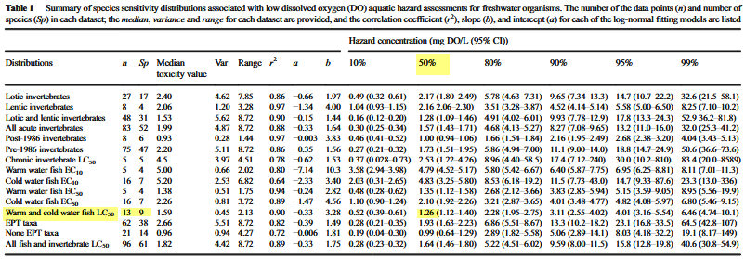

 |  |  |  |  | The solid blue line in the Figure above represents the AVERAGE relationship for all species. Individual data points from the table below open
 |  |  |  |  | are represented by the circles. The broken grey lines represent the average relationship displaced one SD of the mean LC50 to the right or left,
 |  |  |  |  | and can be used to represent more hypoxia sensitive or tolerant species, respectively, in simulations.

 |  |  |  |  |  | N | Species | Common Name | LC50 | LC10 | LC90 | Life stage | Habitat | Reference
 |  |  |  |  |  | 1 | Sciaenops ocellatus | Red drum | 1.8 | 2.3 | 1.2 | Larvae | Marine | Miller et al. 2002
 |  |  |  |  |  | 2 | Menidia beryllina | Inland silverside | 1.4 | 1.7 | 1.3 | Larvae | Marine | Miller et al. 2002
 |  |  |  |  |  | 3 | Morone saxatilis | Striped bass | 2.4 | 3 | 1.9 | Postlarvae | Marine | Miller et al. 2002
 |  |  |  |  |  | 4 | Morone saxatilis | Striped bass | 1.6 | 1.9 | 1.2 | Juvenile | Marine | Miller et al. 2002
 |  |  |  |  |  | 5 | Syngnathus fuscus | Pipe Fish | 1.5 | 1.8 | 0.9 | Juvenile | Marine | Miller et al. 2002
 |  |  |  |  |  | 6 | Pleuronectes americanus | Winter Flounder | 1.4 | 1.6 | 1.1 | Juvenile | Marine | Miller et al. 2002
 |  |  |  |  |  | 7 | Paralichthys dentatus | Summer Flounder | 1.6 | 1.4 | 1.8 | Juvenile | Marine | Miller et al. 2002
 |  |  |  |  |  | 8 | Paralichthys dentatus | Summer Flounder | 1.1 | 0.9 | 1.3 | Juvenile | Marine | Miller et al. 2002
 |  |  |  |  |  | 9 | Stenotomus chrysops | Scup | 1.3 |  | 1 | Juvenile | Marine | Miller et al. 2002
 |  |  |  |  |  | 10 | Brevoortia tyrannus | Atlantic menhaden | 1.2 | 1.7 | 1 | Juvenile | Marine | Miller et al. 2002
 |  |  |  |  |  | 11 | Apeltes quadracus | Fourspine stickleback | 0.9 | 1.1 | 0.7 | Juvenile, adult | Marine | Miller et al. 2002
 |  |  |  |  |  | 12 | Scophthalmus aquosus | Windowpane Flounder | 0.9 | 1.1 | 0.7 | Juvenile | Marine | Miller et al. 2002
 |  |  |  |  |  | 13 | Tautoga onitus | Tautog | 0.8 | 1.2 | 0.6 | Juvenile | Marine | Miller et al. 2002
 |  |  |  |  |  | 14 | Prionotus carolinus | Northern sea robin | 0.6 | 0.8 | 0.4 | Juvenile | Marine | Miller et al. 2002
 |  |  |  |  |  | 15 | Rhamdia quelen | Silver Catfish | 0.52 |  |  | Juvenile | Freshwater | Weiss and Zaniboni-Filho 2010 (from in Saari et al. 2018)
 |  |  |  |  |  | 16 | Rhamdia quelen | Silver Catfish | 0.52 |  |  | Juvenile | Freshwater | Braun et al. 2006 (from in Saari et al. 2018)
 |  |  |  |  |  | 17 | Anguilla australis | Shortfin eel | 0.54 |  |  | Elvers | Freshwater | Landman et al. 2005 (from in Saari et al. 2018)
 |  |  |  |  |  | 18 | Chasmistes brevirostris | Shortnose sucker | 2.09 |  |  | Larvae | Freshwater | Saiki et al. 1999 (from in Saari et al. 2018)
 |  |  |  |  |  | 19 | Chasmistes brevirostris | Shortnose sucker | 1.34 |  |  | Juvenile | Freshwater | Saiki et al. 1999 (from in Saari et al. 2018)
 |  |  |  |  |  | 20 | Deltistes luxatus | Lost River sucker | 2.1 |  |  | Larvae | Freshwater | Saiki et al. 1999 (from in Saari et al. 2018)
 |  |  |  |  |  | 21 | Deltistes luxatus | Lost River sucker | 1.62 |  |  | Juvenile | Freshwater | Saiki et al. 1999 (from in Saari et al. 2018)
 |  |  |  |  |  | 22 | Galaxias maculatus | Inanga | 2.65 |  |  | Juvenile | Freshwater | Landman et al. 2005 (from in Saari et al. 2018)
 |  |  |  |  |  | 23 | Gobiomorphus cotidianus | Common bully | 0.84 |  |  | Juvenile | Freshwater | Landman et al. 2005 (from in Saari et al. 2018)
 |  |  |  |  |  | 24 | Notropis topeka | Topeka shiner | 1.26 |  |  | Adult | Freshwater | Koehle and Adelman 2007 (from Saari et al. 2018)
 |  |  |  |  |  | 25 | Oncorhynchus mykiss | Rainbow trout | 1.62 |  |  | Juvenile | Freshwater | Landman et al. 2005 (from in Saari et al. 2018)
 |  |  |  |  |  | 26 | Oncorhynchus mykiss | Rainbow trout | 1.59 |  |  | Larvae | Freshwater | Landman et al. 2005 (from in Saari et al. 2018)
 |  |  |  |  |  | 27 | Retropinna retropinna | Common smelt | 1.83 |  |  | Adult | Freshwater | Landman et al. 2005 (from in Saari et al. 2018)
 |  |  |  |  |  | 28 | Acipenser brevirostrum | Shortnose sturgeon | 2.2 |  |  | Juvenile | Freshwater | Campbell and Goodman 2004

 |  |  |  |  |  | Life stages combined AND species replicates combined for no pseudo-replication
 |  |  |  |  |  | N | Species | Common Name | LC50 | LC10 | LC90 | Life stage | Habitat | Refernence
 |  |  |  |  |  | 1 | Sciaenops ocellatus | Red drum | 1.8 | 2.3 | 1.2 | Larvae | Marine | Miller et al. 2002
 |  |  |  |  |  | 2 | Menidia beryllina | Inland silverside | 1.4 | 1.7 | 1.3 | Larvae | Marine | Miller et al. 2002
 |  |  |  |  |  | 3 | Morone saxatilis | Striped bass | 2 | 2.45 | 1.55 | Postlarvae, juveniles | Marine | Miller et al. 2002
 |  |  |  |  |  | 4 | Syngnathus fuscus | Pipe Fish | 1.5 | 1.8 | 0.9 | Juvenile | Marine | Miller et al. 2002
 |  |  |  |  |  | 5 | Pleuronectes americanus | Winter Flounder | 1.4 | 1.6 | 1.1 | Juvenile | Marine | Miller et al. 2002
 |  |  |  |  |  | 6 | Paralichthys dentatus | Summer Flounder | 1.35 | 1.15 | 1.55 | Juvenile | Marine | Miller et al. 2002
 |  |  |  |  |  | 7 | Stenotomus chrysops | Scup | 1.3 |  | 1 | Juvenile | Marine | Miller et al. 2002
 |  |  |  |  |  | 8 | Brevoortia tyrannus | Atlantic menhaden | 1.2 | 1.7 | 1 | Juvenile | Marine | Miller et al. 2002
 |  |  |  |  |  | 9 | Apeltes quadracus | Fourspine stickleback | 0.9 | 1.1 | 0.7 | Juvenile, adult | Marine | Miller et al. 2002
 |  |  |  |  |  | 10 | Scophthalmus aquosus | Windowpane Flounder | 0.9 | 1.1 | 0.7 | Juvenile | Marine | Miller et al. 2002
 |  |  |  |  |  | 11 | Tautoga onitus | Tautog | 0.8 | 1.2 | 0.6 | Juvenile | Marine | Miller et al. 2002
 |  |  |  |  |  | 12 | Prionotus carolinus | Northern sea robin | 0.6 | 0.8 | 0.4 | Juvenile | Marine | Miller et al. 2002
 |  |  |  |  |  | 13 | Rhamdia quelen | Silver Catfish | 0.53 |  |  | Juvenile | Freshwater | Braun et al. 2006 ,Weiss and Zaniboni-Filho 2010 (from in Saari et al. 2018) N = 2 studies
 |  |  |  |  |  | 14 | Anguilla australis | Shortfin eel | 0.54 |  |  | Elvers | Freshwater | Landman et al. 2005 (from in Saari et al. 2018)
 |  |  |  |  |  | 15 | Chasmistes brevirostris | Shortnose sucker | 1.71 |  |  | Larvae, juveniles | Freshwater | Saiki et al. 1999 (from in Saari et al. 2018)
 |  |  |  |  |  | 16 | Deltistes luxatus | Lost River sucker | 1.86 |  |  | Larvae, juveniles | Freshwater | Saiki et al. 1999 (from in Saari et al. 2018)
 |  |  |  |  |  | 17 | Galaxias maculatus | Inanga | 2.65 |  |  | Juvenile | Freshwater | Landman et al. 2005 (from in Saari et al. 2018)
 |  |  |  |  |  | 18 | Gobiomorphus cotidianus | Common bully | 0.84 |  |  | Juvenile | Freshwater | Landman et al. 2005 (from in Saari et al. 2018)
 |  |  |  |  |  | 19 | Notropis topeka | Topeka shiner | 1.26 |  |  | Adult | Freshwater | Koehle and Adelman 2007 (from Saari et al. 2018)
 |  |  |  |  |  | 20 | Oncorhynchus mykiss | Rainbow trout | 1.6 |  |  | Larvae, juveniles | Freshwater | Landman et al. 2005 (from in Saari et al. 2018)
 |  |  |  |  |  | 21 | Retropinna retropinna | Common smelt | 1.83 |  |  | Adult | Freshwater | Landman et al. 2005 (from in Saari et al. 2018)
 |  |  |  |  |  | 22 | Acipenser brevirostrum | Shortnose sturgeon | 2.2 |  |  | Juvenile | Freshwater | Campbell and Goodman 2004

SAS output
 | Survival |  | PRED |  | minus 1 STD |  | plus 1 STD
 | 2.5 |  |  | 0 | 0 | 0.56 | 0 | 1.8 | 50 | 2.3 | 90 | 1.2 | 10
1 | 10 | 1 |  | 0.04 | 0.02 | 1.16 | 0.02 | 1.4 | 50 | 1.7 | 90 | 1.3 | 10
1.37 | 50 | 1.37 |  | 0.14 | 0.15 | 1.26 | 0.15 | 2 | 50 | 2.45 | 90 | 1.55 | 10
1.54 | 90 | 1.54 |  | 0.24 | 1.5 | 1.36 | 1.5 | 1.5 | 50 | 1.8 | 90 | 0.9 | 10
 | 97.5 |  |  | 0.34 | 4 | 1.46 | 4 | 1.4 | 50 | 1.6 | 90 | 1.1 | 10
0 |  | 0 | 0 | 0.44 | 10 | 1.56 | 10 | 1.35 | 50 | 1.15 | 90 | 1.55 | 10
0.6 |  | 0.6 | 0.02 | 0.54 | 18 | 1.66 | 18 | 1.3 | 50 | 1.7 | 90 | 1 | 10
0.7 |  | 0.7 | 0.15 | 0.64 | 28 | 1.76 | 28 | 1.2 | 50 | 1.1 | 90 | 1 | 10
0.8 |  | 0.8 | 1.5 | 0.74 | 40 | 1.86 | 40 | 0.9 | 50 | 1.1 | 90 | 0.7 | 10
0.9 |  | 0.9 | 4 | 0.84 | 59.919858752 | 1.96 | 59.919858752 | 0.9 | 50 | 1.2 | 90 | 0.7 | 10
1 |  | 1 | 10 | 0.94 | 81.487716279 | 2.06 | 81.487716279 | 0.8 | 50 | 0.8 | 90 | 0.6 | 10
1.1 |  | 1.1 | 18 | 1.04 | 92.556881023 | 2.16 | 92.556881023 | 0.6 | 50 |  |  | 0.4 | 10
1.2 |  | 1.2 | 28 | 1.14 | 96.931682714 | 2.26 | 96.931682714 | 0.53 | 50
1.3 |  | 1.3 | 40 | 1.24 | 98.478217719 | 2.36 | 98.478217719 | 0.54 | 50
1.4 |  | 1.4 | 59.919858752 | 1.34 | 99.003040223 | 2.46 | 99.003040223 | 1.71 | 50
1.5 |  | 1.5 | 81.487716279 | 1.44 | 99.178654733 | 2.56 | 99.178654733 | 1.86 | 50
1.6 |  | 1.6 | 92.556881023 | 2.44 | 99.266266997 | 3.56 | 99.266266997 | 2.65 | 50
1.7 |  | 1.7 | 96.931682714 | 3.44 | 99.266268435 | 4.56 | 99.266268435 | 0.84 | 50
1.8 |  | 1.8 | 98.478217719 | 4.44 | 99.266268435 | 5.56 | 99.266268435 | 1.26 | 50
1.9 |  | 1.9 | 99.003040223 | 5.44 | 99.266268435 | 6.56 | 99.266268435 | 1.6 | 50
2 |  | 2 | 99.178654733 | 6.44 | 99.266268435 | 7.56 | 99.266268435 | 1.83 | 50
3 |  | 3 | 99.266266997 |  |  |  |  | 2.2 | 50
4 |  | 4 | 99.266268435
5 |  | 5 | 99.266268435
6 |  | 6 | 99.266268435
7 |  | 7 | 99.266268435
Survival | DO | type | DO2 | DO3 | PRED | LMEAN | UPMEAN | LOWER | UPPER | RESID | type | DO | Survival | PRED |  |  | type | DO | Survival | PRED | Minus 1 STD | Plus 1 STD | Survival | LC50 | LC10 | LC90
2.5 | 0.2724 | real | 0.07420176 | 0.0202125594 | 0.0006075184 | -0.011560781 | 0.012775818 | -28.65010487 | 28.651319905 | 2.4993924816 | real | 0.2724 | 2.5 | 0.0006075184 | Straight logistic growth regression predictions BELOW | Adjustted logistic growth | real |  | 2.5 |  |  |  | 50 | 1.8
10 | 1 | real | 1 | 1 | 1.8086769525 | -10.54581617 | 14.163170073 | -29.39223125 | 33.009585152 | 8.1913230475 | real | 1 | 10 | 1.8086769525 |  | curve (predictions) | real | 1 | 10 |  |  |  | 50 | 1.4
 | PRED | Survival
0.2724 | 0.0006075184 | 2.5
1 | 1.8086769525 | 10
1.37 | 51.866267523 | 50
1.54 | 87.044512503 | 90
2.4676 | 99.265761039 | 97.5
0 | 3.02027E-05
0.6 | 0.0224454582
0.7 | 0.0675244799
0.8 | 0.2029541861
0.9 | 0.6083412024
1 | 1.8086769525
1.1 | 5.2513640214
1.2 | 14.286364786
1.3 | 33.351650199
1.4 | 59.919858752
1.5 | 81.487716279
1.6 | 92.556881023
1.7 | 96.931682714
1.8 | 98.478217719
1.9 | 99.003040223
2 | 99.178654733
3 | 99.266266997
4 | 99.266268435
5 | 99.266268435
6 | 99.266268435
7 | 99.266268435
 | PRED | Survival
 |  | 2.5
1 |  | 10
1.37 |  | 50
1.54 |  | 90
 |  | 97.5
0 | 0
0.6 | 0.02
0.7 | 0.15
0.8 | 1.5
0.9 | 4
1 | 10
1.1 | 18
1.2 | 28
1.3 | 40
1.4 | 59.919858752
1.5 | 81.487716279
1.6 | 92.556881023
1.7 | 96.931682714
1.8 | 98.478217719
1.9 | 99.003040223
2 | 99.178654733
3 | 99.266266997
4 | 99.266268435
5 | 99.266268435
6 | 99.266268435
7 | 99.266268435
50 | 1.37 | real | 1.8769 | 2.571353 | 51.866267523 | 23.827103059 | 79.905431988 | 11.778140652 | 91.954394395 | -1.866267523 | real | 1.37 | 50 | 51.866267523 |  | to the RIGHT | real | 1.37 | 50 |  |  |  | 50 | 2
LC₉₀ = 1.54, n = 11
90 | 1.54 | real | 2.3716 | 3.652264 | 87.044512503 | 59.95340025 | 114.13562475 | 47.61366753 | 126.47535748 | 2.9554874974 | real | 1.54 | 90 | 87.044512503 |  |  | real | 1.54 | 90 |  |  |  | 50 | 1.5
97.5 | 2.4676 | real | 6.08904976 | 15.025339188 | 99.265761039 | 71.161797593 | 127.36972448 | 59.132284569 | 139.39923751 | -1.765761039 | real | 2.4676 | 97.5 | 99.265761039 |  |  | real |  | 97.5 |  |  |  | 50 | 1.4
Survival (%)
 | 0 | fake | 0 | 0 | 3.02027E-05 | -0.000723116 | 0.0007835216 | -28.65067961 | 28.650740016 |  | fake | 0 |  | 3.02027E-05 |  |  | fake | 0 |  | 0 | 0 | 0.56 | 50 | 1.35
 | 0.6 | fake | 0.36 | 0.216 | 0.0224454582 | -0.294591845 | 0.339482761 | -28.6300184 | 28.674909311 |  | fake | 0.6 |  | 0.0224454582 |  |  | fake | 0.6 |  | 0.02 | 0.04 | 1.16 | 50 | 1.3
 | 0.7 | fake | 0.49 | 0.343 | 0.0675244799 | -0.764438723 | 0.8994876828 | -28.59526211 | 28.730311068 |  | fake | 0.7 |  | 0.0675244799 |  |  | fake | 0.7 |  | 0.15 | 0.14 | 1.26 | 50 | 1.2
LC₅₀ = 1.37, n = 22
 | 0.8 | fake | 0.64 | 0.512 | 0.2029541861 | -1.930427441 | 2.3363358133 | -28.52707347 | 28.932981847 |  | fake | 0.8 |  | 0.2029541861 |  |  | fake | 0.8 |  | 1.5 | 0.24 | 1.36 | 50 | 0.9
 | 0.9 | fake | 0.81 | 0.729 | 0.6083412024 | -4.676785765 | 5.8934681703 | -28.52575805 | 29.742440455 |  | fake | 0.9 |  | 0.6083412024 |  |  | fake | 0.9 |  | 4 | 0.34 | 1.46 | 50 | 0.9
 | 1 | fake | 1 | 1 | 1.8086769525 | -10.54581617 | 14.163170073 | -29.39223125 | 33.009585152 |  | fake | 1 |  | 1.8086769525 |  |  | fake | 1 |  | 10 | 0.44 | 1.56 | 50 | 0.8
 | 1.1 | fake | 1.21 | 1.331 | 5.2513640214 | -20.5632013 | 31.065929341 | -33.31358062 | 43.816308659 |  | fake | 1.1 |  | 5.2513640214 |  |  | fake | 1.1 |  | 18 | 0.54 | 1.66 | 50 | 0.6
 | 1.2 | fake | 1.44 | 1.728 | 14.286364786 | -28.09636711 | 56.669096687 | -36.87181282 | 65.444542388 |  | fake | 1.2 |  | 14.286364786 |  |  | fake | 1.2 |  | 28 | 0.64 | 1.76 | 50 | 0.53
LC₁₀ = 1.00, n = 12
 | 1.3 | fake | 1.69 | 2.197 | 33.351650199 | -8.305210806 | 75.008511204 | -17.20680351 | 83.910103904 |  | fake | 1.3 |  | 33.351650199 |  |  | fake | 1.3 |  | 40 | 0.74 | 1.86 | 50 | 0.54
 | 1.4 | fake | 1.96 | 2.744 | 59.919858752 | 34.298069598 | 85.541647906 | 21.483687615 | 98.356029889 |  | fake | 1.4 |  | 59.919858752 |  |  | fake | 1.4 |  | 59.919858752 | 0.84 | 1.96 | 50 | 1.71
 | 1.5 | fake | 2.25 | 3.375 | 81.487716279 | 52.642035384 | 110.33339717 | 40.831394772 | 122.14403779 |  | fake | 1.5 |  | 81.487716279 |  |  | fake | 1.5 |  | 81.487716279 | 0.94 | 2.06 | 50 | 1.86
Dissolved Oxygen (mg/l)
 | 1.6 | fake | 2.56 | 4.096 | 92.556881023 | 69.185834853 | 115.92792719 | 55.582985214 | 129.53077683 |  | fake | 1.6 |  | 92.556881023 |  |  | fake | 1.6 |  | 92.556881023 | 1.04 | 2.16 | 50 | 2.65
 | 1.7 | fake | 2.89 | 4.913 | 96.931682714 | 74.50697618 | 119.35638925 | 60.54857351 | 133.31479192 |  | fake | 1.7 |  | 96.931682714 |  |  | fake | 1.7 |  | 96.931682714 | 1.14 | 2.26 | 50 | 0.84
 | 1.8 | fake | 3.24 | 5.832 | 98.478217719 | 73.51538375 | 123.44105169 | 60.478135456 | 136.47829998 |  | fake | 1.8 |  | 98.478217719 |  |  | fake | 1.8 |  | 98.478217719 | 1.24 | 2.36 | 50 | 1.26
 | PRED |  | Survival |  | minus 1 STD |  | plus 1 STD
 |  |  | 2.5 | 0 | 0 | 0.56 | 0
1 |  | 1 | 10 | 0.04 | 0.02 | 1.16 | 0.02
1.37 |  | 1.37 | 50 | 0.14 | 0.15 | 1.26 | 0.15
1.54 |  | 1.54 | 90 | 0.24 | 1.5 | 1.36 | 1.5
 |  |  | 97.5 | 0.34 | 4 | 1.46 | 4
0 | 0 | 0 |  | 0.44 | 10 | 1.56 | 10
0.6 | 0.02 | 0.6 |  | 0.54 | 18 | 1.66 | 18
0.7 | 0.15 | 0.7 |  | 0.64 | 28 | 1.76 | 28
0.8 | 1.5 | 0.8 |  | 0.74 | 40 | 1.86 | 40
0.9 | 4 | 0.9 |  | 0.84 | 59.919858752 | 1.96 | 59.919858752
1 | 10 | 1 |  | 0.94 | 81.487716279 | 2.06 | 81.487716279
1.1 | 18 | 1.1 |  | 1.04 | 92.556881023 | 2.16 | 92.556881023
1.2 | 28 | 1.2 |  | 1.14 | 96.931682714 | 2.26 | 96.931682714
1.3 | 40 | 1.3 |  | 1.24 | 98.478217719 | 2.36 | 98.478217719
1.4 | 59.919858752 | 1.4 |  | 1.34 | 99.003040223 | 2.46 | 99.003040223
1.5 | 81.487716279 | 1.5 |  | 1.44 | 99.178654733 | 2.56 | 99.178654733
1.6 | 92.556881023 | 1.6 |  | 2.44 | 99.266266997 | 3.56 | 99.266266997
1.7 | 96.931682714 | 1.7 |  | 3.44 | 99.266268435 | 4.56 | 99.266268435
1.8 | 98.478217719 | 1.8 |  | 4.44 | 99.266268435 | 5.56 | 99.266268435
1.9 | 99.003040223 | 1.9 |  | 5.44 | 99.266268435 | 6.56 | 99.266268435
2 | 99.178654733 | 2 |  | 6.44 | 99.266268435 | 7.56 | 99.266268435
3 | 99.266266997 | 3
4 | 99.266268435 | 4
5 | 99.266268435 | 5
6 | 99.266268435 | 6
7 | 99.266268435 | 7
 | 1.9 | fake | 3.61 | 6.859 | 99.003040223 | 72.270769753 | 125.73531069 | 59.817871387 | 138.18820906 |  | fake | 1.9 |  | 99.003040223 |  |  | fake | 1.9 |  | 99.003040223 | 1.34 | 2.46 | 50 | 1.6
 | 2 | fake | 4 | 8 | 99.178654733 | 71.620097064 | 126.7372124 | 59.425198619 | 138.93211085 |  | fake | 2 |  | 99.178654733 |  |  | fake | 2 |  | 99.178654733 | 1.44 | 2.56 | 50 | 1.83
 | 3 | fake | 9 | 27 | 99.266266997 | 71.15698308 | 127.37555091 | 59.129064621 | 139.40346937 |  | fake | 3 |  | 99.266266997 |  |  | fake | 3 |  | 99.266266997 | 2.44 | 3.56 | 50 | 2.2
 | 4 | fake | 16 | 64 | 99.266268435 | 71.156962677 | 127.37557419 | 59.129050764 | 139.40348611 |  | fake | 4 |  | 99.266268435 |  |  | fake | 4 |  | 99.266268435 | 3.44 | 4.56 | 90 |  | 2.3
 | 5 | fake | 25 | 125 | 99.266268435 | 71.156962677 | 127.37557419 | 59.129050763 | 139.40348611 |  | fake | 5 |  | 99.266268435 |  |  | fake | 5 |  | 99.266268435 | 4.44 | 5.56 | 90 |  | 1.7
 | 6 | fake | 36 | 216 | 99.266268435 | 71.156962677 | 127.37557419 | 59.129050763 | 139.40348611 |  | fake | 6 |  | 99.266268435 |  |  | fake | 6 |  | 99.266268435 | 5.44 | 6.56 | 90 |  | 2.45
 | 7 | fake | 49 | 343 | 99.266268435 | 71.156962677 | 127.37557419 | 59.129050763 | 139.40348611 |  | fake | 7 |  | 99.266268435 |  |  | fake | 7 |  | 99.266268435 | 6.44 | 7.56 | 90 |  | 1.8
 |  |  |  |  |  |  |  |  |  |  |  |  |  |  |  |  |  |  |  |  |  |  | 90 |  | 1.6
 |  |  |  |  |  |  |  |  |  |  |  |  |  |  |  |  |  |  |  |  |  |  | 90 |  | 1.15
 | PRED |  | Survival |  | upper 95 PCT CI |  | Lower 95 pct CI
 |  |  | 2.5 | 0 | 0.0007835216 | 0 | -0.000723116
1 |  | 1 | 10 | 0.6 | 0.339482761 | 0.6 | -0.294591845
1.37 |  | 1.37 | 50 | 0.7 | 0.8994876828 | 0.7 | -0.764438723
1.54 |  | 1.54 | 90 | 0.8 | 2.3363358133 | 0.8 | -1.930427441
 |  |  | 97.5 | 0.9 | 5.8934681703 | 0.9 | -4.676785765
0 | 0 | 0 |  | 1 | 14.163170073 | 1 | -10.54581617
0.6 | 0.02 | 0.6 |  | 1.1 | 31.065929341 | 1.1 | -20.5632013
0.7 | 0.15 | 0.7 |  | 1.2 | 56.669096687 | 1.2 | -28.09636711
0.8 | 1.5 | 0.8 |  | 1.3 | 75.008511204 | 1.3 | -8.305210806
0.9 | 4 | 0.9 |  | 1.4 | 85.541647906 | 1.4 | 34.298069598
1 | 10 | 1 |  | 1.5 | 110.33339717 | 1.5 | 52.642035384
1.1 | 18 | 1.1 |  | 1.6 | 115.92792719 | 1.6 | 69.185834853
1.2 | 28 | 1.2 |  | 1.7 | 119.35638925 | 1.7 | 74.50697618
1.3 | 40 | 1.3 |  | 1.8 | 123.44105169 | 1.8 | 73.51538375
1.4 | 59.919858752 | 1.4 |  | 1.9 | 125.73531069 | 1.9 | 72.270769753
1.5 | 81.487716279 | 1.5 |  | 2 | 126.7372124 | 2 | 71.620097064
1.6 | 92.556881023 | 1.6 |  | 3 | 127.37555091 | 3 | 71.15698308
1.7 | 96.931682714 | 1.7 |  | 4 | 127.37557419 | 4 | 71.156962677
1.8 | 98.478217719 | 1.8 |  | 5 | 127.37557419 | 5 | 71.156962677
1.9 | 99.003040223 | 1.9 |  | 6 | 127.37557419 | 6 | 71.156962677
2 | 99.178654733 | 2 |  | 7 | 127.37557419 | 7 | 71.156962677
3 | 99.266266997 | 3
4 | 99.266268435 | 4
5 | 99.266268435 | 5
6 | 99.266268435 | 6
7 | 99.266268435 | 7
 |  |  |  |  |  |  |  |  |  |  |  |  |  |  |  |  |  |  |  |  |  |  | 90 |  | 1.7
 |  |  |  |  |  |  |  |  |  |  |  |  |  |  |  |  |  |  |  |  |  |  | 90 |  | 1.1
 |  |  |  |  |  |  |  |  |  |  |  |  |  |  |  |  |  |  |  |  |  |  | 90 |  | 1.1
 |  |  |  |  |  |  |  |  |  |  |  |  |  |  |  |  |  |  |  |  |  |  | 90 |  | 1.2
 |  |  |  |  |  |  |  |  |  |  |  |  |  |  |  |  |  |  |  |  |  |  | 90 |  | 0.8
 |  |  |  |  |  |  |  |  |  |  |  |  |  |  |  |  |  |  |  |  |  |  | 10 |  |  | 1.2
 |  |  |  |  |  |  |  |  |  |  |  |  |  |  |  |  |  |  |  |  |  |  | 10 |  |  | 1.3
 |  |  |  |  |  |  |  |  |  |  |  |  |  |  |  |  |  |  |  |  |  |  | 10 |  |  | 1.55
 |  |  |  |  |  |  |  |  |  |  |  |  |  |  |  |  |  |  |  |  |  |  | 10 |  |  | 0.9
 |  |  |  |  |  |  |  |  |  |  |  |  |  |  |  |  |  |  |  |  |  |  | 10 |  |  | 1.1
 |  |  |  |  |  |  |  |  |  |  |  |  |  |  |  |  |  |  |  |  |  |  | 10 |  |  | 1.55
 |  |  |  |  |  |  |  |  |  |  |  |  |  |  |  |  |  |  |  |  |  |  | 10 |  |  | 1
 |  |  |  |  |  |  |  |  |  |  |  |  |  |  |  |  |  |  |  |  |  |  | 10 |  |  | 1
 |  |  |  |  |  |  |  |  |  |  |  |  |  |  |  |  |  |  |  |  |  |  | 10 |  |  | 0.7
 |  |  |  |  |  |  |  |  |  |  |  |  |  |  |  |  |  |  |  |  |  |  | 10 |  |  | 0.7
 |  |  |  |  |  |  |  |  |  |  |  |  |  |  |  |  |  |  |  |  |  |  | 10 |  |  | 0.6
 |  |  |  |  |  |  |  |  |  |  |  |  |  |  |  |  |  |  |  |  |  |  | 10 |  |  | 0.4

