FinalSR
0 | 3
10 | 20
20 | 40
40 | 80
50 | 90
60 | 96
80 | 99
90 | 100
100 | 100
% Cobble and boulder | Mean System Capacity (%) | SD | low.limit | up.limit
0 | 3 | 0 | 0 | 100
10 | 20 | 0 | 0 | 100
20 | 40 | 0 | 0 | 100
40 | 80 | 0 | 0 | 100
50 | 90 | 0 | 0 | 100
60 | 96 | 0 | 0 | 100
80 | 99 | 0 | 0 | 100
90 | 100 | 0 | 0 | 100
100 | 100 | 0 | 0 | 100

EmpiricalData1
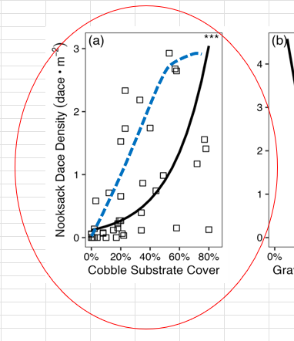
Citation/Data Source: | Gray et al. (2024); Edward et al. (1983)
Species: | Nooksack Dace
Spatial Data Origin: | Lower Fraser Valley; Native range of Longnose Dace in North America
Temporal Data Origin: | 2021; Unknown for Edwards, 1983
Units: | % cobble and boulder substrate cover
Life Stage: | Adult;All life stages
Vital Rate:
Comments | Edward (1983) describes the relationship for Longnose Dace(for both streams and rivers). Although the figure captions indicate gravel and rocks, the diameter of the substrate is comparable to that of cobbles in Gray and Rosenfeld (2024)
Season: | Summer; not specified
FINAL CURVE DERIVATION: | The final curve was based on the relationship between % cobble substrate cover and Nooksack Dace density identified in Gray and Rosenfeld (2024) using empirical data, and the gravel/rock substrate suitabilty curve for Longnose Dace from Edwards et al (1983), both of which show a positive relationship between cobble and dace abudance or suitability. Although the final function was informed by both curves, it was set closer to the Edwards et al. function to achieve 90% capacity at 50% cobble substrate cover beause the reference maximum density reaches of dace in Bertrand Creek rarely have riffle cobble in excess of 60% cobble. This curve paramaterization ensured that current maximum dace densities were consistent with upper model predictions, while still allowing for increased cobble abundance to incrementally improve habitat. Note the large scatter of data in the Gray and Rosenfeld (2024) Figure 2 (panel A) relationship between dace density and % cobble (lower left), which broadly overlaps with both the fitted Gray and Rosenfeld curve and the final SR function relationship (right fig).
 | Gray et al. (2024); Edwards et al. (1983)
Gray and Rosenfeld (2024) CJFAS Habitat effects on recruitment, population limitations, and recovery potential in an endangered stream fish https://cdnsciencepub.com/doi/full/10.1139/cjfas-2024-0039 Canadian Journal of Fisheries and Aquatic Sciences • Vol. 81 • No. 10 • pp. 1468 - 1480 | Figure 2. The effects of cobble (a), gravel (b), and sand (c) substrate cover (%) on Nooksack Dace density (dace • m-2). Statistical significance: 0.01-0.05 = *, 0.001-0.01 = **, <0.001 = ***.

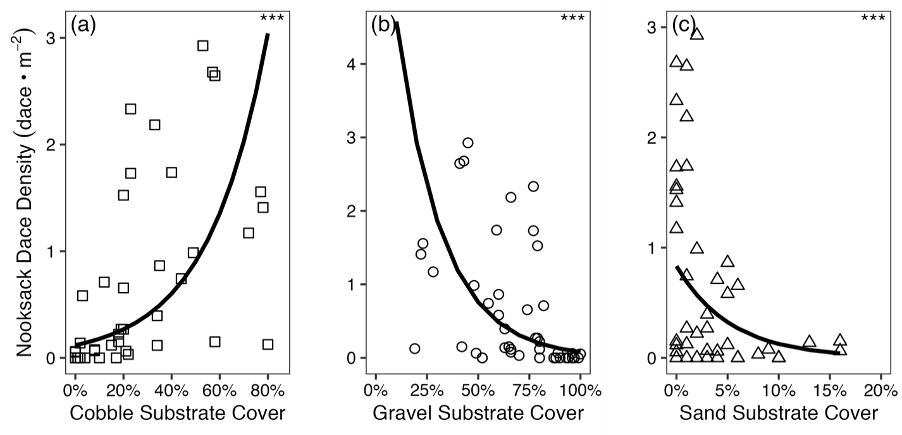

 |  | Gray et al. (2024) |  |  |  |  | Final SR Function

 |  | % Cobble | Mean System Capacity (%) | SD | low.limit | up.limit | % Cobble | Mean System Capacity (%)
 |  | 0.00 | 3.76 | 0 | 0 | 100 | 0 | 3
 |  | 12.84 | 6.47 | 0 | 0 | 100 | 10 | 19
 |  | 28.90 | 12.73 | 0 | 0 | 100 | 20 | 39
 |  | 42.27 | 22.13 | 0 | 0 | 100 | 40 | 79
 |  | 53.51 | 35.07 | 0 | 0 | 100 | 50 | 90
 |  | 61.81 | 49.06 | 0 | 0 | 100 | 60 | 96
 |  | 68.76 | 64.93 | 0 | 0 | 100 | 80 | 99
 |  | 75.00 | 83.33 | 0 | 0 | 100 | 90 | 100
 |  | 80.00 | 100.00 | 0 | 0 | 100 | 100 | 100
Edwards at al. 1983 | For Longnose Dace

 |  | Edwards at al (1983)
 |  | % Cobble | Mean System Capacity (%) | SD | low.limit | up.limit
 |  | 0 | 0 | 0 | 0 | 100
 |  | 50 | 100 | 0 | 0 | 100
 |  | 75 | 100 | 0 | 0 | 100
 |  | 100 | 100 | 0 | 0 | 100

